Sheet1
n VS Nre

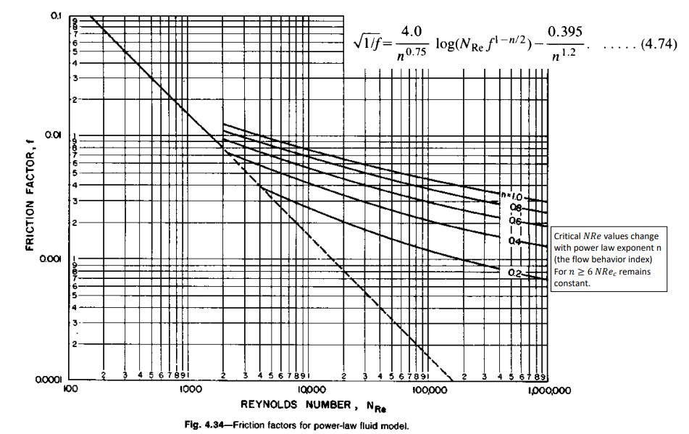

n | Nre
0.4 | 2200
0.2 | 4100
0.1 | 10000

